Sheet1
Bridge Link: Link95 |  |  | Opt 1 | Opt 1 |  | Opt 2 | Opt 2
 | 62.07 | 65.13 | 3.42 | 976.4 | 86.69 | 4.02 | 977 | 60 | 979
 |  | 69.81 | 3.32 | 976.3 | 86.69 | 2.12 | 975.1 | 130 | 979
 |  | 71.7 | 3.22 | 976.2 | 87.39 | 2.02 | 975
 | Large Opening |  | Small Opening
65.13 | 3.42 | 86.69 | 4.02
69.81 | 3.32 | 86.69 | 2.12
71.7 | 3.22 | 87.39 | 2.02
73.29 | 3.12 | 88.25 | 1.92
75.04 | 3.02 | 89.2 | 1.82
76.66 | 2.92 | 90.11 | 1.72
77.98 | 2.82 | 90.74 | 1.62
79.32 | 2.72 | 91.37 | 1.52
80.72 | 2.62 | 92 | 1.42
82.23 | 2.52 | 92.62 | 1.32
83.6 | 2.42 | 93.2 | 1.22
84.79 | 2.32 | 93.78 | 1.12
85.9 | 2.22 | 94.28 | 1.02
86.69 | 2.12 | 94.78 | 0.92
87.39 | 2.02 | 95.3 | 0.82
88.25 | 1.92 | 95.81 | 0.72
89.2 | 1.82 | 96.34 | 0.62
90.11 | 1.72 | 96.94 | 0.52
90.74 | 1.62 | 97.77 | 0.42
91.37 | 1.52 | 99.23 | 0.32
92 | 1.42 | 100.02 | 0.26
92.62 | 1.32 | 100.59 | 0.22
93.2 | 1.22 | 102.07 | 0.07
93.78 | 1.12 | 102.53 | 0.03
94.28 | 1.02 | 104.06 | 0
94.78 | 0.92 | 105.77 | 0.22
95.3 | 0.82 | 106.66 | 0.32
95.81 | 0.72 | 107.13 | 0.42
96.34 | 0.62 | 107.57 | 0.52
96.94 | 0.52 | 108 | 0.62
97.77 | 0.42 | 108.44 | 0.72
99.23 | 0.32 | 108.88 | 0.82
100.02 | 0.26 | 109.29 | 0.92
100.59 | 0.22 | 109.68 | 1.02
102.07 | 0.07 | 110.07 | 1.12
102.53 | 0.03 | 110.45 | 1.22
104.06 | 0 | 110.45 | 4.02
105.77 | 0.22
106.66 | 0.32
107.13 | 0.42
107.57 | 0.52
108 | 0.62
108.44 | 0.72
108.88 | 0.82
109.29 | 0.92
109.68 | 1.02
110.07 | 1.12
110.45 | 1.22
110.84 | 1.32
111.23 | 1.42
...
 |  | 73.29 | 3.12 | 976.1 | 88.25 | 1.92 | 974.9 | 60 | 976.01
 |  | 75.04 | 3.02 | 976 | 89.2 | 1.82 | 974.8 | 130 | 976.01
 |  | 76.66 | 2.92 | 975.9 | 90.11 | 1.72 | 974.7 | op2
 |  | 77.98 | 2.82 | 975.8 | 90.74 | 1.62 | 974.6 | 60 | 975.87
 |  | 79.32 | 2.72 | 975.7 | 91.37 | 1.52 | 974.5 | 130 | 975.87
 |  | 80.72 | 2.62 | 975.6 | 92 | 1.42 | 974.4
 |  | 82.23 | 2.52 | 975.5 | 92.62 | 1.32 | 974.3
 |  | 83.6 | 2.42 | 975.4 | 93.2 | 1.22 | 974.2
 |  | 84.79 | 2.32 | 975.3 | 93.78 | 1.12 | 974.1
 |  | 85.9 | 2.22 | 975.2 | 94.28 | 1.02 | 974
 |  | 86.69 | 2.12 | 975.1 | 94.78 | 0.92 | 973.9
 |  | 87.39 | 2.02 | 975 | 95.3 | 0.82 | 973.8
 |  | 88.25 | 1.92 | 974.9 | 95.81 | 0.72 | 973.7
 |  | 89.2 | 1.82 | 974.8 | 96.34 | 0.62 | 973.6 | 972.98
 |  | 90.11 | 1.72 | 974.7 | 96.94 | 0.52 | 973.5
 |  | 90.74 | 1.62 | 974.6 | 97.77 | 0.42 | 973.4 | 2.9
 |  | 91.37 | 1.52 | 974.5 | 99.23 | 0.32 | 973.3
 |  | 92 | 1.42 | 974.4 | 100.02 | 0.26 | 973.24
 |  | 92.62 | 1.32 | 974.3 | 100.59 | 0.22 | 973.2
 |  | 93.2 | 1.22 | 974.2 | 102.07 | 0.07 | 973.05
 |  | 93.78 | 1.12 | 974.1 | 102.53 | 0.03 | 973.01
 |  | 94.28 | 1.02 | 974 | 104.06 | 0 | 972.98
 |  | 94.78 | 0.92 | 973.9 | 105.77 | 0.22 | 973.2
 |  | 95.3 | 0.82 | 973.8 | 106.66 | 0.32 | 973.3
 |  | 95.81 | 0.72 | 973.7 | 107.13 | 0.42 | 973.4
 |  | 96.34 | 0.62 | 973.6 | 107.57 | 0.52 | 973.5
 |  | 96.94 | 0.52 | 973.5 | 108 | 0.62 | 973.6
 |  | 97.77 | 0.42 | 973.4 | 108.44 | 0.72 | 973.7
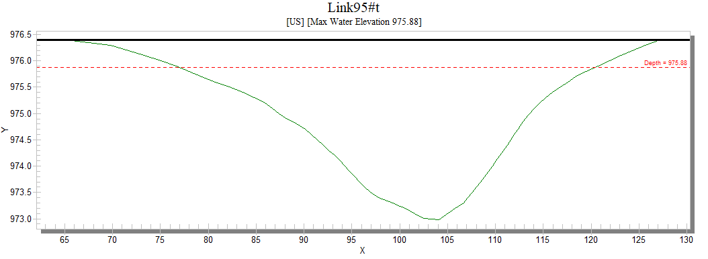
 |  | 99.23 | 0.32 | 973.3 | 108.88 | 0.82 | 973.8
 |  | 100.02 | 0.26 | 973.24 | 109.29 | 0.92 | 973.9
 |  | 100.59 | 0.22 | 973.2 | 109.68 | 1.02 | 974
 |  | 102.07 | 0.07 | 973.05 | 110.07 | 1.12 | 974.1
 |  | 102.53 | 0.03 | 973.01 | 110.45 | 1.22 | 974.2
 |  | 104.06 | 0 | 972.98 | 110.45 | 4.02 | 977
 |  | 105.77 | 0.22 | 973.2
 |  | 106.66 | 0.32 | 973.3
 |  | 107.13 | 0.42 | 973.4
 |  | 107.57 | 0.52 | 973.5
 |  | 108 | 0.62 | 973.6
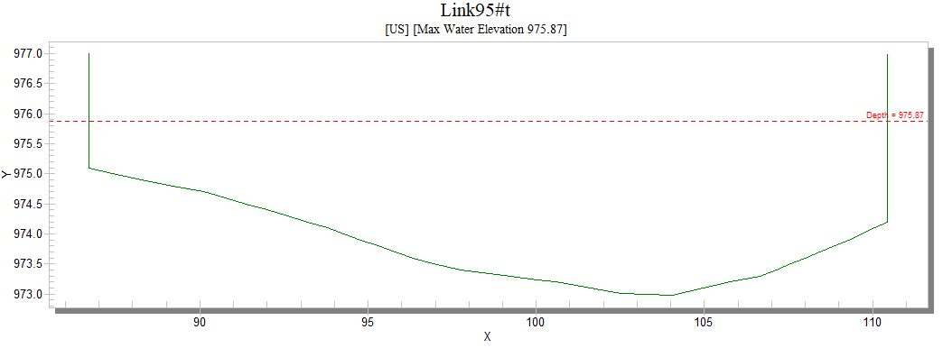
 |  | 108.44 | 0.72 | 973.7
 |  | 108.88 | 0.82 | 973.8
 |  | 109.29 | 0.92 | 973.9
 |  | 109.68 | 1.02 | 974
 |  | 110.07 | 1.12 | 974.1
 |  | 110.45 | 1.22 | 974.2
 | 24.94 | 110.84 | 1.32 | 974.3
 |  | 111.23 | 1.42 | 974.4
 |  | 111.6 | 1.52 | 974.5
 |  | 111.97 | 1.62 | 974.6
 |  | 112.34 | 1.72 | 974.7
 |  | 112.7 | 1.82 | 974.8
 |  | 113.09 | 1.92 | 974.9
 |  | 113.54 | 2.02 | 975
 |  | 114.05 | 2.12 | 975.1
 |  | 114.65 | 2.22 | 975.2
 |  | 115.25 | 2.32 | 975.3
 |  | 115.94 | 2.42 | 975.4
 |  | 116.78 | 2.52 | 975.5
 |  | 117.55 | 2.62 | 975.6
 |  | 118.37 | 2.72 | 975.7
 |  | 119.44 | 2.82 | 975.8
 |  | 120.73 | 2.92 | 975.9
 |  | 121.93 | 3.02 | 976
 |  | 123.12 | 3.12 | 976.1
 |  | 124.31 | 3.22 | 976.2
 |  | 125.66 | 3.32 | 976.3
 |  | 127.2 | 3.42 | 976.4

conveyance compare
 | conveyance = area*r^(2/3)

Conveyance
op1 |  |  |  |  |  |  | OP2
NO | depth | width | Area Large | WP Large | R large | C Large | no | ELEVATION | depth | width | area small | WP small | R small | C small
1 | 0 | 0.01 | 0 | 0 | #DIV/0! | #DIV/0! | 1 | 972.98 | 0 | 0.01 | 0 | 0 | #DIV/0! | #DIV/0!
2 | 0.03 | 1.763 | 0.026 | 1.765 | 0.014730878187 | 0.001562400755 | 2 | 973.01 | 0.03 | 1.763 | 0.026 | 1.765 | 0.014730878187 | 0.001562400755
3 | 0.07 | 2.534 | 0.112 | 2.541 | 0.044077134986 | 0.013975271736 | 3 | 973.05 | 0.07 | 2.534 | 0.112 | 2.541 | 0.044077134986 | 0.013975271736
4 | 0.22 | 5.18 | 0.691 | 5.204 | 0.13278247502 | 0.17984783757 | 4 | 973.2 | 0.22 | 5.18 | 0.691 | 5.204 | 0.13278247502 | 0.17984783757
5 | 0.26 | 6.106 | 0.917 | 6.133 | 0.1495189956 | 0.25832528448 | 5 | 973.24 | 0.26 | 6.106 | 0.917 | 6.133 | 0.1495189956 | 0.25832528448
6 | 0.32 | 7.43 | 1.323 | 7.463 | 0.17727455447 | 0.41750092872 | 6 | 973.3 | 0.32 | 7.43 | 1.323 | 7.463 | 0.17727455447 | 0.41750092872
7 | 0.42 | 9.36 | 2.162 | 9.407 | 0.22982885086 | 0.81119522706 | 7 | 973.4 | 0.42 | 9.36 | 2.162 | 9.407 | 0.22982885086 | 0.81119522706
Hydraulic Radius
8 | 0.52 | 10.63 | 3.162 | 10.694 | 0.29567982046 | 1.4033833602 | 8 | 973.5 | 0.52 | 10.63 | 3.162 | 10.694 | 0.29567982046 | 1.4033833602
9 | 0.62 | 11.66 | 4.276 | 11.744 | 0.36410081744 | 2.1803127737 | 9 | 973.6 | 0.62 | 11.66 | 4.276 | 11.744 | 0.36410081744 | 2.1803127737
10 | 0.72 | 12.63 | 5.491 | 12.734 | 0.43120779017 | 3.1340734895 | 10 | 973.7 | 0.72 | 12.63 | 5.491 | 12.734 | 0.43120779017 | 3.1340734895
11 | 0.82 | 13.58 | 6.801 | 13.705 | 0.49624224735 | 4.2628684574 | 11 | 973.8 | 0.82 | 13.58 | 6.801 | 13.705 | 0.49624224735 | 4.2628684574
12 | 0.92 | 14.51 | 8.206 | 14.657 | 0.55986900457 | 5.5742844835 | 12 | 973.9 | 0.92 | 14.51 | 8.206 | 14.657 | 0.55986900457 | 5.5742844835
Wetted Perimeter
Area
13 | 1.02 | 15.4 | 9.701 | 15.569 | 0.62309718029 | 7.0770733233 | 13 | 974 | 1.02 | 15.4 | 9.701 | 15.569 | 0.62309718029 | 7.0770733233
14 | 1.12 | 16.29 | 11.286 | 16.482 | 0.68474699672 | 8.7678572419 | 14 | 974.1 | 1.12 | 16.29 | 11.286 | 16.482 | 0.68474699672 | 8.7678572419
15 | 1.22 | 17.25 | 12.963 | 17.463 | 0.74231231747 | 10.62747191 | 15 | 974.2 | 1.22 | 17.25 | 12.963 | 17.463 | 0.74231231747 | 10.62747191
16 | 1.32 | 18.22 | 14.736 | 18.455 | 0.79848279599 | 12.68303882 | 16 | 974.3 | 1.32 | 17.83 | 14.717 | 18.152 | 0.81076465403 | 12.796243466
17 | 1.42 | 19.23 | 16.609 | 19.485 | 0.8523992815 | 14.931572079 | 17 | 974.4 | 1.42 | 18.45 | 16.531 | 18.88 | 0.87558262712 | 15.129708123
18 | 1.52 | 20.23 | 18.582 | 20.506 | 0.90617380279 | 17.400702858 | 18 | 974.442 | 1.462 | 18.713 | 17.308 | 19.189 | 0.9019750899 | 16.157589949
19 | 1.62 | 21.23 | 20.655 | 21.528 | 0.95944816054 | 20.092757481 | 19 | 974.5 | 1.52 | 19.08 | 18.407 | 19.618 | 0.93827097563 | 17.641487463
20 | 1.72 | 22.23 | 22.828 | 22.549 | 1.0123730542 | 23.015915198 | 20 | 974.6 | 1.62 | 19.71 | 20.347 | 20.356 | 0.99955786992 | 20.341002211
21 | 1.82 | 23.5 | 25.114 | 23.838 | 1.0535279805 | 26.002390304 | 21 | 974.7 | 1.72 | 20.34 | 22.349 | 21.094 | 1.0594955912 | 23.226879388
22 | 1.92 | 24.84 | 27.531 | 25.196 | 1.0926734402 | 29.206683488 | 22 | 974.8 | 1.82 | 21.25 | 24.429 | 22.109 | 1.104934642 | 26.109391442
23 | 2.02 | 26.15 | 30.081 | 26.523 | 1.1341477208 | 32.71437939 | 23 | 974.807 | 1.827 | 21.319 | 24.584 | 22.186 | 1.1080861805 | 26.324991501
24 | 2.12 | 27.36 | 32.756 | 27.749 | 1.1804389347 | 36.586416953 | 24 | 974.9 | 1.92 | 22.2 | 26.601 | 23.164 | 1.1483767916 | 29.171195946
25 | 2.22 | 28.75 | 35.562 | 29.154 | 1.2197983124 | 40.598644132 | 25 | 975 | 2.02 | 23.06 | 28.864 | 24.13 | 1.1961873187 | 32.525399918
26 | 2.32 | 30.46 | 38.522 | 30.877 | 1.2475952975 | 44.643473704 | 26 | 975.1 | 2.12 | 23.76 | 31.205 | 24.937 | 1.2513534106 | 36.23632738
27 | 2.42 | 32.34 | 41.662 | 32.768 | 1.2714233398 | 48.895275894 | 27 | 975.173 | 2.193 | 23.76 | 32.933 | 25.083 | 1.3129609696 | 39.48806366
28 | 2.52 | 34.55 | 45.007 | 34.988 | 1.2863553218 | 53.233787156 | 28 | 975.538 | 2.558 | 23.76 | 41.616 | 25.814 | 1.6121484466 | 57.217694459
29 | 2.62 | 36.83 | 48.576 | 37.277 | 1.3031091558 | 57.95295882 | 29 | 975.904 | 2.924 | 23.76 | 50.3 | 26.545 | 1.8948954605 | 77.023778907
30 | 2.72 | 39.05 | 52.37 | 39.507 | 1.3255878705 | 63.195805665 | 30 | 976.269 | 3.289 | 23.76 | 58.983 | 27.276 | 2.1624505059 | 98.633469199
31 | 2.82 | 41.46 | 56.395 | 41.925 | 1.3451401312 | 68.720390835 | 31 | 976.635 | 3.655 | 23.76 | 67.666 | 28.006 | 2.416125116 | 121.83819349
32 | 2.92 | 44.07 | 60.672 | 44.543 | 1.3620995443 | 74.552270828 | 32 | 977 | 4.02 | 23.76 | 76.349 | 28.737 | 2.6568187354 | 146.45739435
33 | 3.02 | 46.89 | 65.22 | 47.37 | 1.3768207726 | 80.717134216 | 33 | 978 | 5.02 | 23.76 | 100.109 | 54.497 | 1.8369635026 | 150.1551187
34 | 3.12 | 49.83 | 70.056 | 50.317 | 1.3922928632 | 87.350568272
35 | 3.22 | 52.61 | 75.178 | 53.105 | 1.415648244 | 94.78239334
36 | 3.32 | 55.85 | 80.601 | 56.351 | 1.4303384146 | 102.32135872
37 | 3.42 | 62.07 | 86.497 | 62.575 | 1.3822932481 | 107.33330511
38 | 5.02 | 62.07 | 185.809 | 127.845 | 1.4533927803 | 238.40868834

